Masters 02
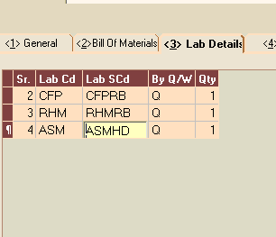
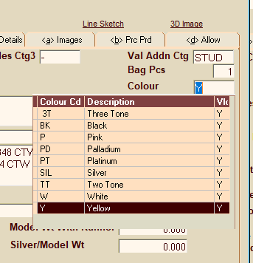
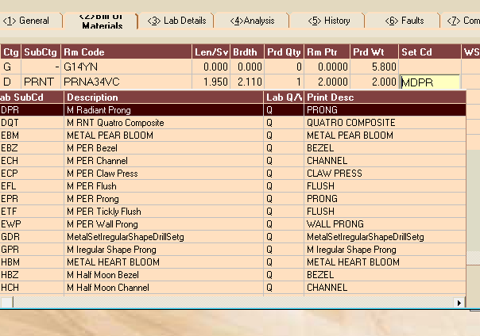
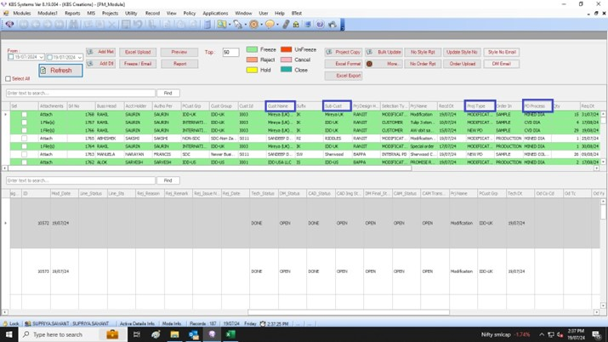
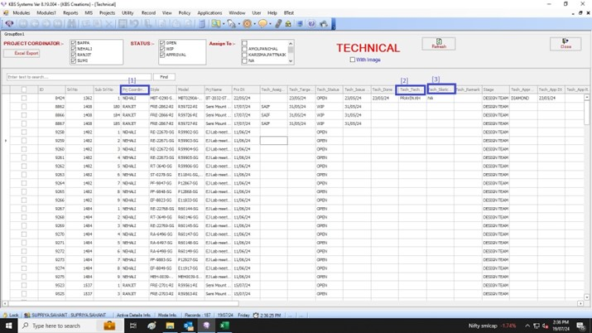
EMR SYSTEM
Need Dropdown masters :

MILLIGRAIN + SAT FINISH | 3- Lab details | COLOR CODE | 1-General | Setting code | 2. Bill of Materials

